Scenario 1
 |  | Test Scenario Result
Purpose |  | Scenario document should provide description of the scenario under the Test Case, the prerequisites of the test, a detailed test procedure, and the expected test result. It should also provide the refence to the test case it belongs to.

Prerequisites:
Prerequisite | Description | Comments/Notes

Test Step:
Step | Step Detail | Input Data | Expected Result | Actual Result | Test Pass/Fail (per step) | Comments
1 | Fetch the Invoice summary with group bp number = '2000674' and billing period = '29.12.2024' to '28.1.2025'. | Input required data | System will display all the invoices in the form of a table | System will display all the invoices in the form of a table | Pass
2
3
4
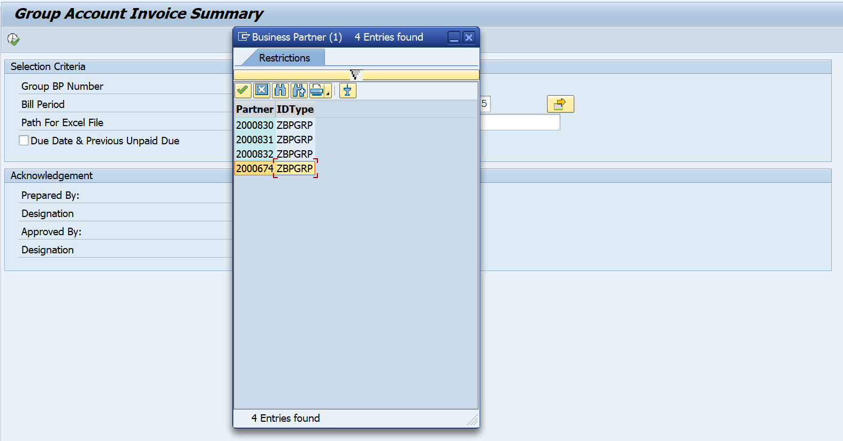
Screen Capture:

Status:
Comments (Pass / Fail) | Date
Pass | 21.03.2025

